Dimensioning - Outputs
 |  |  |  |  |  |  |  |  |  |  |  |  |  | Integrated
 | ISM
 | CPM |  |  |  |  |  |  |  |  |  |  |  |  | 2022 |  |  | 2023 |  |  | 2024 |  |  | 2025 |  |  | 2026
Sizing Label | REQS-14487
 | #vcpus | #I/O Vcpus | #HD vcpus | #proxy Vcpus | memory | Capacity - Gbps | SHD - Total Gbps | SHD - Proxy Gbps | Capacity - MPPS | Capacity - Session Count | N/S Bandwidth | E/W Bandwdth | CP Bandwidth - PPS | Primary | Backup | total | Primary | Backup | total | Primary | Backup | total | Primary | Backup | total | Primary | Backup | total
ISM | 48 | 5 | 37 | 0 | 128 | 32.0 | 32.0 | 0.0 |  | 618,018 | 32.0 | 0.0 | N/A | 0 | 0 | 0 | 0 | 0 | 0 | 0 | 0 | 0 | 0 | 0 | 0 | 0 | 0 | 0
CPM - CP | 28 | 2 | N/A | N/A | 160 | N/A |  |  | N/A | 600,000 |  |  |  | 0 | 1 | 1 | 0 | 1 | 1 | 0 | 1 | 1 | 0 | 1 | 1 | 0 | 1 | 1
MCM | 12 | N/A | N/A | N/A | 64 | N/A |  |  | N/A | N/A | N/A | N/A | N/A | 1 | 1 | 2 | 1 | 1 | 2 | 1 | 1 | 2 | 1 | 1 | 2 | 1 | 1 | 2

 |  |  |  |  |  |  |  |  |  |  |  |  |  | CUPS

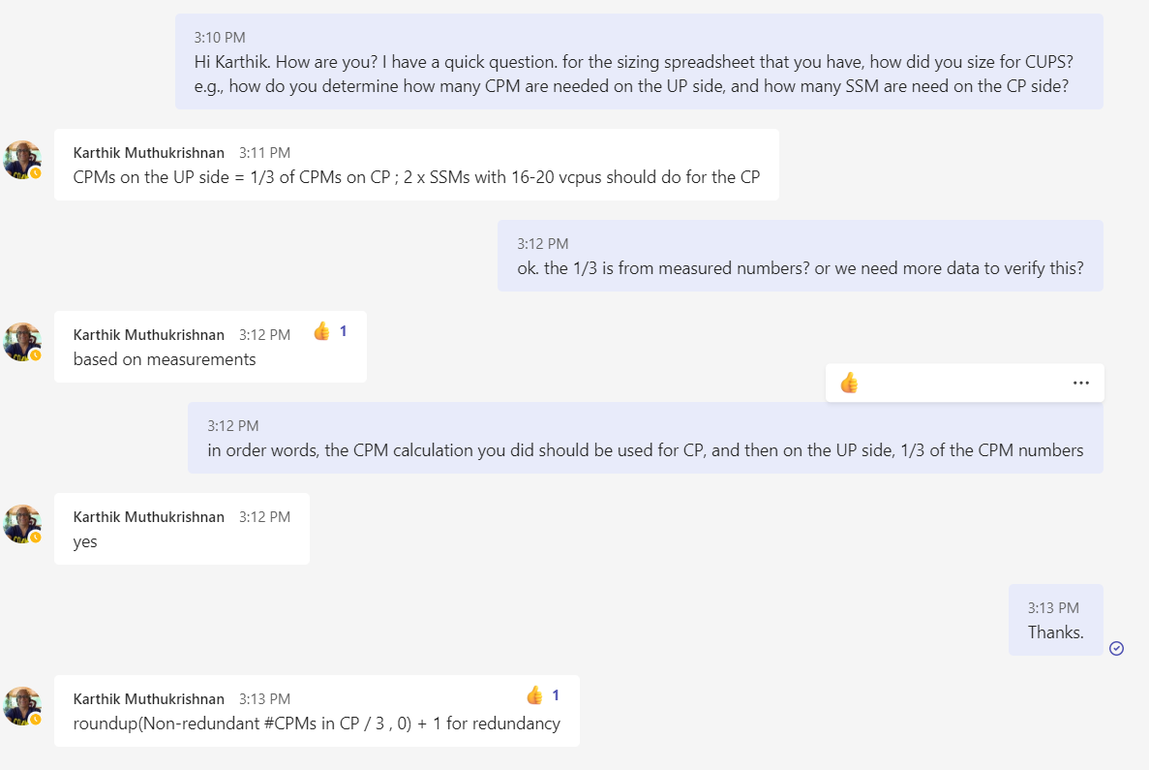
 |  |  |  |  |  |  |  |  |  |  |  |  | C-Plane
 |  |  |  |  |  |  |  |  |  |  |  |  |  | Primary | Backup | total | Primary | Backup | total | Primary | Backup | total | Primary | Backup | total | Primary | Backup | total
 |  |  |  |  |  |  |  |  |  |  |  |  | SSM | 1 | 1 | 2 | 1 | 1 | 2 | 1 | 1 | 2 | 1 | 1 | 2 | 1 | 1 | 2
 |  |  |  |  |  |  |  |  |  |  |  |  | CPM - CP | 0 | 0 | 0 | 0 | 0 | 0 | 0 | 0 | 0 | 0 | 0 | 0 | 0 | 0 | 0
 |  |  |  |  |  |  |  |  |  |  |  |  | MCM | 1 | 1 | 2 | 1 | 1 | 2 | 1 | 1 | 2 | 1 | 1 | 2 | 1 | 1 | 2

 |  |  |  |  |  |  |  |  |  |  |  |  |  | Summary
 |  |  |  |  |  |  |  |  |  |  |  |  |  | 2022 | 2023 | 2024 | 2025 | 2026
 |  |  |  |  |  |  |  |  |  |  |  |  | CPM | 0 | 0 | 0 | 0 | 0
 |  |  |  |  |  |  |  |  |  |  |  |  | SSM | 2 | 2 | 2 | 2 | 2
 |  |  |  |  |  |  |  |  |  |  |  |  | MCM | 2 | 2 | 2 | 2 | 2

 |  |  |  |  |  |  |  |  |  |  |  |  | U-Plane
 |  |  |  |  |  |  |  |  |  |  |  |  |  | Primary | Backup | total | Primary | Backup | total | Primary | Backup | total | Primary | Backup | total | Primary | Backup | total
 |  |  |  |  |  |  |  |  |  |  |  |  | SSM | 0 | 0 | 0 | 0 | 0 | 0 | 0 | 0 | 0 | 0 | 0 | 0 | 0 | 0 | 0
 |  |  |  |  |  |  |  |  |  |  |  |  | CPM - CP | 0 | 1 | 1 | 0 | 1 | 1 | 0 | 1 | 1 | 0 | 1 | 1 | 0 | 1 | 1
 |  |  |  |  |  |  |  |  |  |  |  |  | MCM | 1 | 1 | 2 | 1 | 1 | 2 | 1 | 1 | 2 | 1 | 1 | 2 | 1 | 1 | 2

 |  |  |  |  |  |  |  |  |  |  |  |  |  | Summary
 |  |  |  |  |  |  |  |  |  |  |  |  |  | 2022 | 2023 | 2024 | 2025 | 2026
 |  |  |  |  |  |  |  |  |  |  |  |  | CPM - CP | 1 | 1 | 1 | 1 | 1
 |  |  |  |  |  |  |  |  |  |  |  |  | SSM | 0 | 0 | 0 | 0 | 0
 |  |  |  |  |  |  |  |  |  |  |  |  | MCM | 2 | 2 | 2 | 2 | 2

